Test summary report.
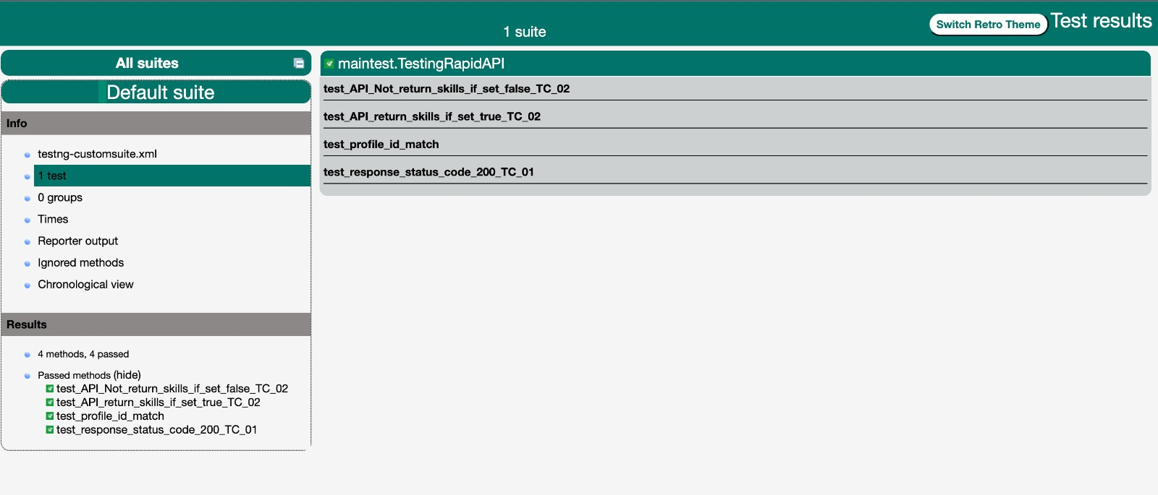
Framework Used : REST Assured Language used: Java I chose RestAssured with Java for API testing due to its robust features and seamless integration with Java. Its fluent interface allows for concise and readable test code, while its extensive support for HTTP methods, request specifications, response validation, and assertions makes it suitable for comprehensive API testing. Additionally, its compatibility with popular Java test frameworks simplifies test organization and execution. With RestAssured, I can efficiently automate API testing, ensuring the reliability and quality of my APIs

